Introduction
Smart Grid - Introduction and Objective

Electricity plays vital role in both day to day life of people and the economic development of a nation. To ensure sustainable supply of electricity and energy security, the efficient management of the electricity distribution network through use of intelligent devices which can monitor and control power flows in real time, has become necessary. In order to bring efficiency and sustainability in the electricity distribution sector, introduction of Smart Grid technologies is envisaged under the recently launched National Smart Grid Mission (NSGM) by Ministry of Power (MoP), Government of India (GoI). Global energy scenario is witnessing key changes in terms of shift of focus towards green energy and sustainable growth and Smart Grid is getting evolved by integrating end-to-end, advanced communications infrastructure and information systems into the electric power system. Objective of Smart Grid is to use advancements of information and communication technology to make the power grid more efficient, reliable, secure and resilient while minimizing costly investments in new centralized generation capacity. One of the main points about Smart Grid is an increased level of observation and control of a complex power system to facilitate distributed and renewable energy generation. This can only be achieved by an increased level of information sharing between the individual components and sub-systems of the power system. The Smart Grid is integrating the electrical and information, communication technologies in the complete power system value chain enabling every point for generation and every point as controllable consumption. “Smart Grid” with reference to distribution system is the next generation system that delivers electricity to consumers using two way digital technologies to enable efficient management of consumers’ end use of electricity as well as efficient use of the grid to identify and correct supply-demand imbalances instantaneously. It also detects faults in a

Smart Grid initiative focuses on reducing the collection loss and reduces the cost of power to the utility through peak load management and higher energy savings. Above mentioned initiatives shall bring down technical as well as non-technical losses in the system.

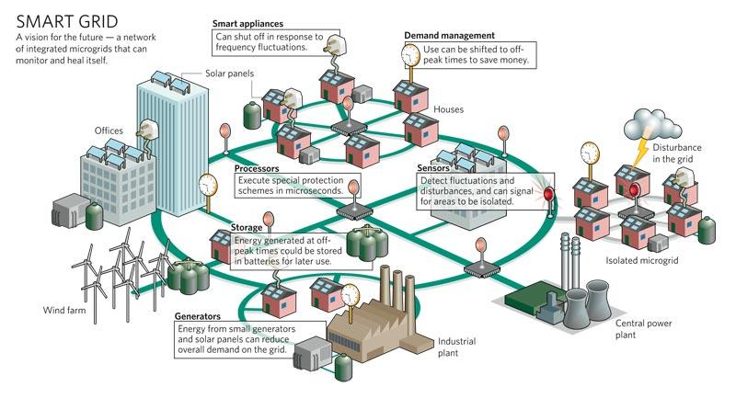

The main objectives of the proposed smart grid project are to leverage of the Smart Grid technologies which would improve the performance of the distribution system of Project Areas as well as empower customers to participate in energy management process and to achieve improvement in energy efficiency. The main objectives are: 1. AT&C Loss Reduction 2. Provide 24x7 reliable power to all customers 3. Make Project Area free from DG sets 4. Reduce the equipment failure rate 5. Improve the restoration time in case of power failure 6. Defferred Capex - Optimization of asset utilization and operating efficiency of the electric power system 7. Improve billing and collection efficiency 8. Increase customer satisfaction – educate and engage them for better tomorrow 9. Facilitating Distributed Generation Integration - Roof Top solar 10. Enabling integration of EVs and their Charging infrastructure 11. Integration of Street Light Automation system

